Calibration - HPV by type
Mbulawa ZZA, Coetzee D, Williamson A-L. Human papillomavirus prevalence in South African women and men according to age and human immunodeficiency virus status. BMC Infectious Diseases. 2015;15:459. doi:10.1186/s12879-015-1181-8.

 | All women | HIV-positive women | HIV-negative women | P-valuea |  |  | High-risk (HR) HPV types included HPV−16, −18, −31, −33, −35, −39, −45, −51, −52, −56, −58 and −59; probably or possible HR-HPV types included HPV−26, −53, −66, −67, −68, −70, −73 and −82; and low-risk (LR) HPV types HPV-6, −11, −40, 42, −54, −55, −61, −62, −64, −69, −71, −72, −81, −83, −84, −89 (HPV-CP6108) and –IS39
 | N = 484 | N = 277 | N = 207
Any HPV
All women | 58.1 % (281/484) | 74.0 % (205/277) | 36.7 % (76/207) | <0.0001
18–25 years | 74.1 % (63/85) | 86.4 % (38/44) | 61.0 % (25/41) | 0.008
26–35 years | 59.0 % (111/188) | 68.2 % (88/129) | 39.0 % (23/59) | 0.0002 |  |  | HPV16
36–45 years | 50.0 % (67/134) | 73.2 % (52/71) | 23.8 % (15/63) | <0.0001 |  |  | HPV18
46–66 years | 51.9 % (40/77) | 81.8 % (27/33) | 29.5 % (13/44) | <0.0001 |  |  | HPV high risk: HPV−31, −33, −35, −39, −45, −51, −52, −56, −58, −59,−26, −53, −66, −67, −68, −70, −73 and −82
Multiple HPV infections |  |  |  |  |  |  | HPV Low risk: HPV-6, −11, −40, 42, −54, −55, −61, −62, −64, −69, −71, −72, −81, −83, −84, −89 (HPV-CP6108) and –IS39
All women | 34.3 % (166/484) | 49.8 % (138/277) | 13.5 % (28/207) | <0.0001
18–25 years | 47.1 % (40/85) | 61.4 % (27/44) | 31.7 % (13/41) | 0.007
26–35 years | 34.6 % (65/188) | 45.0 % (58/129) | 11.9 % (7/59) | <0.0001
36–45 years | 30.6 % (41/134) | 49.3 % (35/71) | 9.5 % (6/63) | <0.0001
46–66 years | 26.0 % (20/77) | 54.5 % (18/33) | 4.5 % (2/44) | <0.0001
Single HPV infection
All women | 23.8 % (115/484) | 24.2 % (67/277) | 23.2 % (48/207) | 0.8
18–25 years | 27.1 % (23/85) | 25.0 % (11/44) | 29.3 % (12/41) | 0.664
26–35 years | 24.5 % (46/188) | 23.3 % (30/129) | 27.1 % (16/59) | 0.57
36–45 years | 19.4 % (26/134) | 23.9 % (17/71) | 14.3 % (9/63) | 0.161
46–66 years | 26.0 % (20/77) | 27.3 % (9/33) | 25.0 % (11/44) | 0.828
HR-HPV
All women | 39.5 % (191/484) | 52.0 % (144/277) | 22.7 % (47/207) | <0.0001
18–25 years | 54.1 % (46/85) | 72.7 % (32/44) | 34.1 % (14/41) | 0.0004
26–35 years | 37.2 % (70/188) | 40.3 % (52/129) | 30.5 % (18/59) | 0.199
36–45 years | 41.8 % (56/134) | 64.8 % (46/71) | 15.9 % (10/63) | <0.0001
46–66 years | 24.7 % (19/77) | 42.4 % (14/33) | 11.4 % (5/44) | 0.002
Probable HR-HPV
All women | 21.1 % (102/484) | 30.7 % (85/277) | 8.2 % (17/207) | <0.0001
18–25 years | 25.9 % (22/85) | 34.1 % (15/44) | 17.1 % (7/41) | 0.08
26–35 years | 27.1 % (51/188) | 37.2 % (48/129) | 5.1 % (3/59) | <0.0001
36–45 years | 15.7 % (21/134) | 22.5 % (16/71) | 7.9 % (5/63) | 0.02
46–66 years | 10.4 % (8/77) | 18.2 % (6/33) | 4.5 % (2/44) | 0.055
LR-HPV
All women | 34.5 % (167/484) | 49.8 % (138/277) | 14.0 % (29/207) | <0.0001
18–25 years | 44.7 % (38/85) | 63.6 % (28/44) | 24.4 % (10/41) | 0.0003
26–35 years | 36.7 % (69/188) | 48.1 % (62/129) | 11.9 % (7/59) | <0.0001
36–45 years | 26.9 % (36/134) | 43.7 % (31/71) | 7.9 % (5/63) | <0.0001
46–66 years | 31.2 % (24/77) | 51.5 % (17/33) | 15.9 % (7/44) | 0.0006
Number of infection will not always add up because participants with multiple infection were sometimes counted more than once. acompares HIV-positive and HIV-negative women (chi-squared test)

Age-specific prevalence of cervical human papillomavirus infection and cytological abnormalities in women in Gauteng Province, South Africa K Richter, 1 MB ChB, MMed Path (Med Virol), FC Path Med Virol (SA); P Becker, 2 PhD, MSc; A Horton, 3 N Dip (Med Tech); G Dreyer, 4 PhD, MCOG (SA), MMed (O&G). Vol 103, No 5 (2013) The South African Medical Journal

Age group | N | HPV+ | hrHPV+ | HPV 16+ | HPV 18+ | HPV 16/18+ | HPV ‘top 8’ |  | HPV genotypes were classified based on the results of Muñoz et al., which regarded 15 types as hrHPV (16, 18, 31, 33, 35, 39, 45, 51, 52, 56, 58, 59, 68, 73 and 82), among which 3 types (26, 53 and 66) are recognised as probable hrHPV for cervical cancer.[14] The 8 most common hrHPV types found in invasive cervical cancer (16, 18, 31, 33, 35, 45, 52, 58) as described by De Sanjose were classified as the ‘top 8’.[15]
<25 | 100 | 85.0 (75.5 - 91.4) | 66.0 (57.6 - 74.4) | 17.0 (10.6 - 23.5) | 8.0 (3.4 - 12.6) | 24.0 (16.6 - 31.4) | 49.0 (40.3 - 57.7)
25 - 29 | 186 | 79.6 (73.1 - 85.1) | 62.9 (56.7 - 69.1) | 15.1 (10.5 - 19.6) | 9.7 (5.9 - 13.4) | 22.0 (16.8 - 27.3) | 52.2 (45.7 - 58.6)
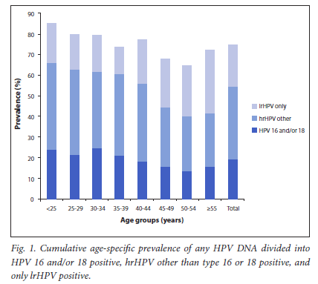
30 - 34 | 233 | 79.4 (73.6 - 84.4) | 61.8 (56.5 - 67.1) | 18.0 (13.7 - 22.4) | 9.9 (6.5 - 13.2) | 24.5 (19.6 - 29.3) | 51.1 (45.5 - 56.6)
35 - 39 | 215 | 72.6 (66.1 - 78.4) | 59.5 (53.9 - 65.2) | 14.0 (9.9 - 18.1) | 8.4 (5.2 - 11.6) | 21.4 (16.6 - 26.2) | 50.7 (45.0 - 56.4)
40 - 44 | 206 | 77.2 (70.8 - 82.7) | 55.8 (49.9 - 61.8) | 14.1 (9.9 - 18.2) | 6.3 (3.4 - 9.2) | 18.5 (13.9 - 23.0) | 42.7 (36.8 - 48.6)
45 - 49 | 180 | 67.8 (60.4 - 74.5) | 44.4 (38.0 - 50.9) | 10.6 (6.6 - 14.5) | 6.7 (3.4 - 9.9) | 15.6 (10.9 - 20.2) | 34.4 (28.3 - 40.6)
50 - 54 | 146 | 64.4 (56.0 - 72.1) | 40.4 (33.4 - 47.5) | 10.3 (6.0 - 14.6) | 5.5 (2.3 - 8.6) | 13.7 (8.9 - 18.5) | 27.4 (21.0 - 33.8)
≥55 | 179 | 72.1 (64.9 - 78.5) | 41.9 (35.7 - 48.1) | 8.4 (4.8 - 12.0) | 8.4 (4.8 - 12.0) | 15.6 (10.9 - 20.3) | 36.3 (30.3 - 42.4)
Total | 1 445 | 74.6 (69.5 - 79.1) | 54.3 (53.0 - 56.5) | 13.5 (12.0 - 15.0) | 8.0 (6.7 - 9.2) | 19.5 (17.7 - 21.3) | 43.5 (41.3 - 45.8)
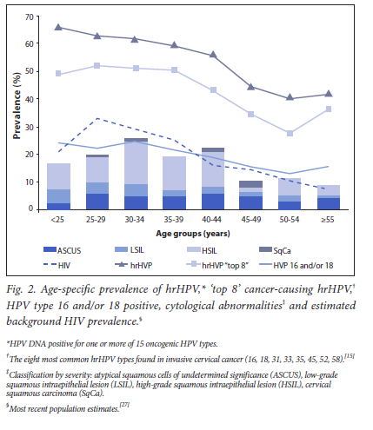

Zambia -- BMC Infectious Diseases 2007, 7:77 doi:10.1186/1471-2334-7-77

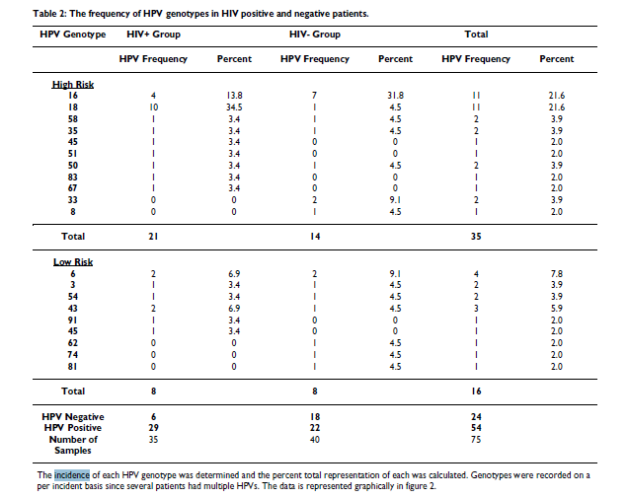

 |  |  |  |  |  |  |  |  | HIV + | HIV -
 |  |  |  |  |  |  |  | High risk | 0.60 | 0.35
 |  |  |  |  |  |  |  | Low risk | 0.23 | 0.20

VV Sahasrabuddhe et al - 2007

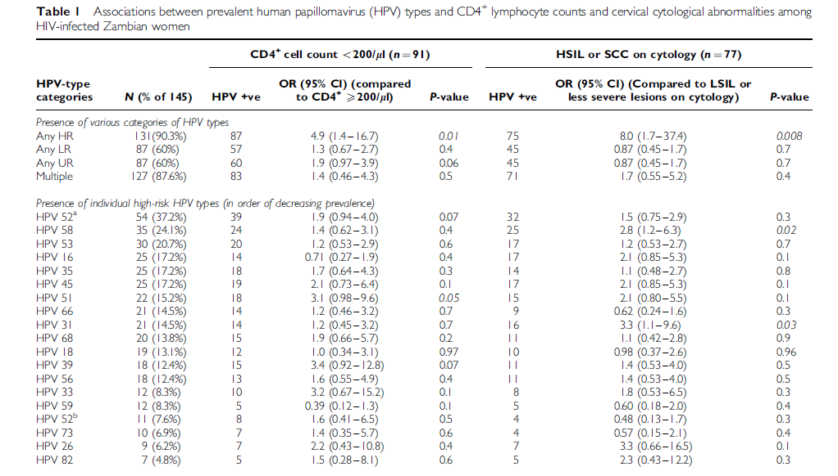

 |  |  |  |  |  |  |  |  |  |  |  | Human papilloma virus (HPV) types 6, 11, 16, 18, 31, 33, 45, 52, and 58

 |  |  |  |  |  |  |  |  |  |  | human papilloma virus (HPV) types 6, 11, 16, 18, 31, 33, 45, 52, and 58

 |  |  |  |  |  |  |  |  |  |  | HPV 16 and 18 together
 |  |  |  |  |  |  |  |  |  |  | 30
 |  |  |  |  |  |  |  |  |  |  | 30
 |  |  |  |  |  |  |  |  |  |  |  |  | not covered
 |  |  |  |  |  |  |  |  |  |  | 16
 |  |  |  |  |  |  |  |  |  |  | 18
 |  |  |  |  |  |  |  |  |  |  | 52 | 44.8 | 53 | 20.7
 |  |  |  |  |  |  |  |  |  |  | 58 | 24.1 | 35 | 17.2
 |  |  |  |  |  |  |  |  |  |  | 45 | 17.2 | 51 | 15.2
 |  |  |  |  |  |  |  |  |  |  | 33 | 8.3 | 66 | 14.5 | http://www.who.int/bulletin/volumes/85/9/06-038414/en/
 |  |  |  |  |  |  |  |  |  |  | 31 | 14.5 | 68 | 13.8 | In preliminary analyses, both vaccines have shown some evidence of cross-protection against HPV 31 and HPV 45, closely related HPV types to HPV 16 and 18, respectively. In the extended follow-up of the phase II trials of the bivalent vaccine, a significant reduction was found in incident infection with type 45 (1 case in 528 vaccinated women and 17 cases in 518 controls; vaccine efficiency (VE) = 94.2% [63.3, 99.9]) and type 31 (14 versus 30 cases, respectively; VE = 54.5% [11.5, 77.7])32
 |  |  |  |  |  |  |  |  |  |  | total | 108.9 | 39 | 12.4
 |  |  |  |  |  |  |  |  |  |  |  |  | 56 | 12.4
 |  |  |  |  |  |  |  |  |  |  | 6 an 11 | negligible | 59 | 8.3
 |  |  |  |  |  |  |  |  |  |  |  |  | 73 | 6.9
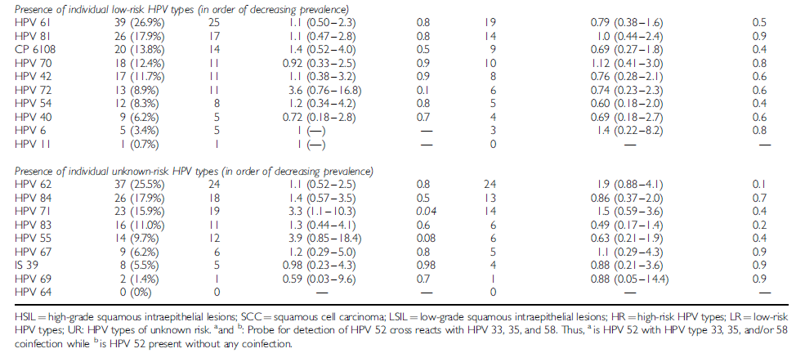
 |  |  |  |  |  |  |  |  |  |  |  |  | 26 | 6.2
 |  |  |  |  |  |  |  |  |  |  |  |  | 82 | 4.8
 |  |  |  |  |  |  |  |  |  |  |  |  | Total | 132.4

 |  |  |  |  |  |  |  |  |  |  | Nanovalent vaccine
 |  |  |  |  |  |  |  |  |  |  | 16 & 18 | 98%
 |  |  |  |  |  |  |  |  |  |  | High risk | 50%
 |  |  |  |  |  |  |  |  |  |  | Low risk | 5%

SA Data CIN by HPV
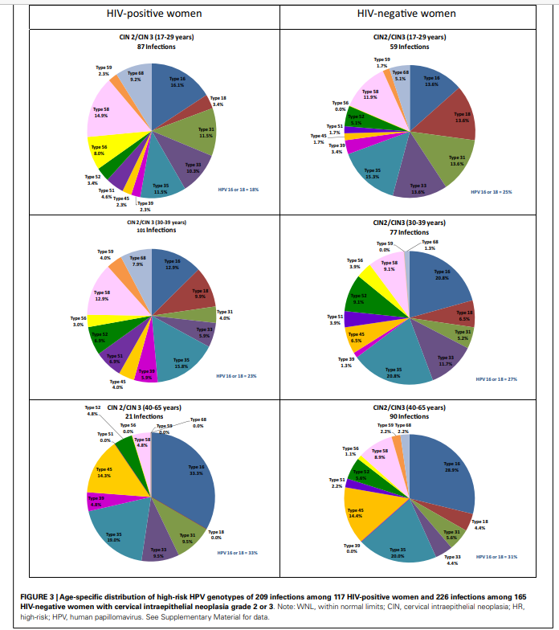
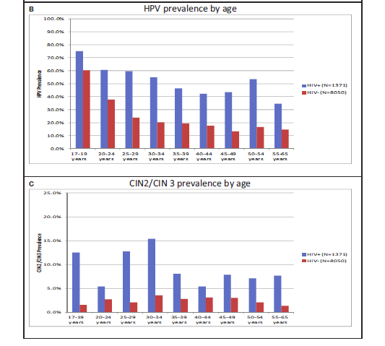
McDonald 2014 South Africa
 | Normal |  | CIN1 |  | CIN2 |  | CIN 3 |  |  | Total |  |  |  | Percent
 | + | - | + | - | + | - | + |  | - | + | - |  |  | + | -
Types16/18 | 85 | 229 | 56 | 43 | 28 | 29 | 18 |  | 35 | 187 | 336 |  |  | 13.6% | 4.2%
Type16 | 45 | 146 | 33 | 23 | 20 | 21 | 14 |  | 29 | 112 | 219 |  |  | 8.2% | 2.7%
Type18 | 46 | 85 | 26 | 22 | 9 | 9 | 4 |  | 8 | 85 | 124 |  |  | 6.2% | 1.5%
Type31 | 24 | 72 | 16 | 17 | 14 | 8 | 2 |  | 9 | 56 | 106 |  |  | 4.1% | 1.3%
Type33 | 29 | 67 | 13 | 15 | 10 | 12 | 7 |  | 9 | 59 | 103 |  |  | 4.3% | 1.3%
Type35 | 54 | 151 | 33 | 41 | 23 | 29 | 7 |  | 14 | 117 | 235 |  |  | 8.5% | 2.9%
Type39 | 25 | 51 | 17 | 7 | 5 | 1 | 4 |  | 2 | 51 | 61 |  |  | 3.7% | 0.8%
Type45 | 46 | 106 | 23 | 19 | 7 | 7 | 2 |  | 12 | 78 | 144 |  |  | 5.7% | 1.8%
Type51 | 29 | 75 | 30 | 23 | 11 | 5 | 0 |  | 1 | 70 | 104 |  |  | 5.1% | 1.3%
Type52 | 37 | 90 | 26 | 21 | 9 | 12 | 2 |  | 3 | 74 | 126 |  |  | 5.4% | 1.6%
Type56 | 22 | 56 | 19 | 15 | 8 | 3 | 2 |  | 1 | 51 | 75 |  |  | 3.7% | 0.9%
Type58 | 50 | 115 | 31 | 14 | 22 | 13 | 5 |  | 9 | 108 | 151 |  |  | 7.9% | 1.9%
Type59 | 22 | 65 | 17 | 14 | 5 | 2 | 1 |  | 1 | 45 | 82 |  |  | 3.3% | 1.0%
Type68 | 42 | 85 | 27 | 16 | 12 | 4 | 4 |  | 2 | 85 | 107 |  |  | 6.2% | 1.3%
 |  |  |  |  |  |  |  |  | Total | 1178 | 1973

 |  |  |  |  |  |  |  |  | All women | 1371 | 8050
 |  |  |  |  |  |  |  |  |  | 0.85922684172 | 0.2450931677

CIN 1 or CIN2/3 distribution among High risk infection types
 |  |  |  |  |  | Adjusted rates because of low CIN2 comapred to CIN3
 | CIN 1 |  | CIN 2/3 |  |  | CIN 2/3
 | + | - | + | - |  | + | -
Age 17-29
Type 16 | 9.5% | 9.5% | 16.1% | 13.6% |  | 16.1% | 20.6%
Type 18 | 7.9% | 8.0% | 3.4% | 13.6% |  | 8.0% | 10.0% |  |  | Adjustment based on Bateman 2015
HR others | 82.6% | 82.5% | 80.5% | 72.8% |  | 75.9% | 69.4%

Age 30-39
Type 16 | 10.2% | 12.9% | 12.9% | 20.8% |  | 26.0% | 24.0%
Type 18 | 9.2% | 9.9% | 9.9% | 6.5% |  | 9.9% | 9.0%
HR others | 80.6% | 77.2% | 77.2% | 72.7% |  | 64.1% | 67.0%

Age 40-65
Type 16 | 10.9% | 33.3% | 33.3% | 28.9% |  | 55.0% | 46.0% |  |  |  |  |  |  |  |  |  | McDonald 2014 South Africa
Type 18 | 13.4% | 9.5% | 0.0% | 4.4% |  | 14.0% | 11.0%
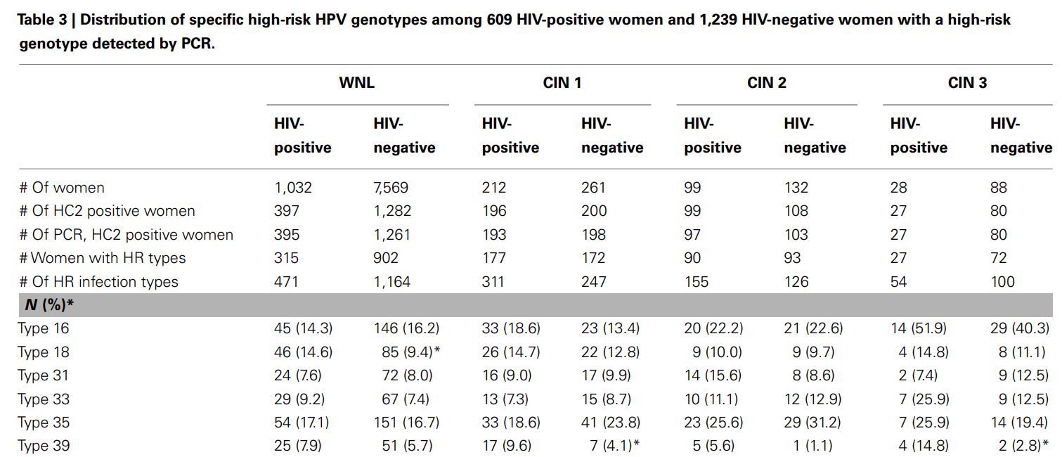
HR others | 75.7% | 57.2% | 66.7% | 66.7% |  | 31.0% | 43.0%

 |  |  |  | Average | HPV16 | 0.32366666667 | 0.302
 |  |  |  |  | HPV18 | 0.10633333333 | 10.0%

 |  |  |  |  |  |  | CIN2/3 | CIN3 | CIN2 |  |  | CIN2/3 | CIN3 | CIN2
 |  |  |  |  |  | From study | average | HIV- | HIV- |  |  |  | HIV+ | HIV+
 |  |  |  |  | HPV 16 | 0.30303030303 | 31.45 | 40.3 | 22.6 |  | 0.2905982906 | 37.05 | 51.9 | 22.2
 |  |  |  |  | HPV 18 | 0.10303030303 | 10.4 | 11.1 | 9.7 |  | 0.11111111111 | 12.4 | 14.8 | 10

 |  |  |  |  |  |  |  |  | CIN2/3 | CIN3 | CIN2 |  |  | CIN2/3 | CIN3 | CIN2
 |  |  |  |  |  |  |  | From study | average | HIV- | HIV- |  |  |  | HIV+ | HIV+
 |  |  |  |  |  |  | HPV 16 | 0.30303030303 | 31.45 | 40.3 | 22.6 |  | 0.2905982906 | 37.05 | 51.9 | 22.2
 |  |  |  |  |  |  | HPV 18 | 0.10303030303 | 10.4 | 11.1 | 9.7 |  | 0.11111111111 | 12.4 | 14.8 | 10

Zambia CIN & Cancer HPV type
 | Bateman 2015

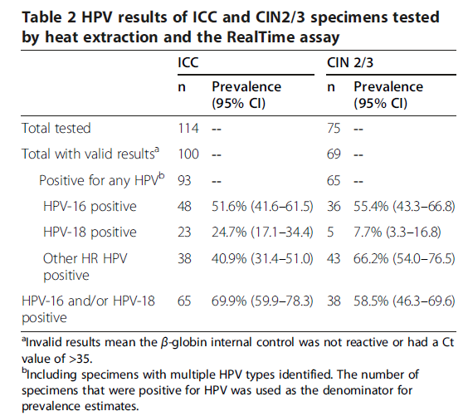

Note:
Study by Suhharabunde 2007 showed that HPV 16 and 18 not most common in Zambia, simialr to South Africa

Denny et al 2013 showed that overall across Africa HPV16 and 18 are responsible for ICC - 65%-75% of the cases

Calibration - multiple HPV
Mbulawa ZZA, Coetzee D, Williamson A-L. Human papillomavirus prevalence in South African women and men according to age and human immunodeficiency virus status. BMC Infectious Diseases. 2015;15:459. doi:10.1186/s12879-015-1181-8.

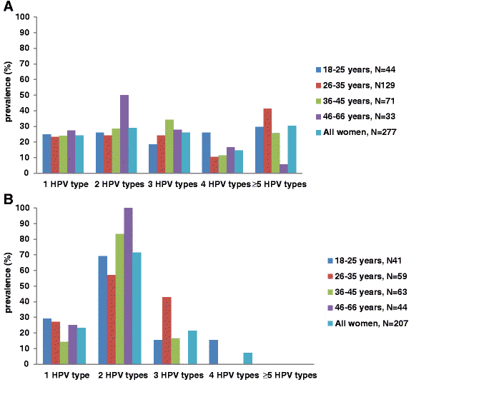

Fig. 1 Distribution of multiple HPV genotype infections in HIV-positive (a) and HIV-negative (b) women

Calibration incidence
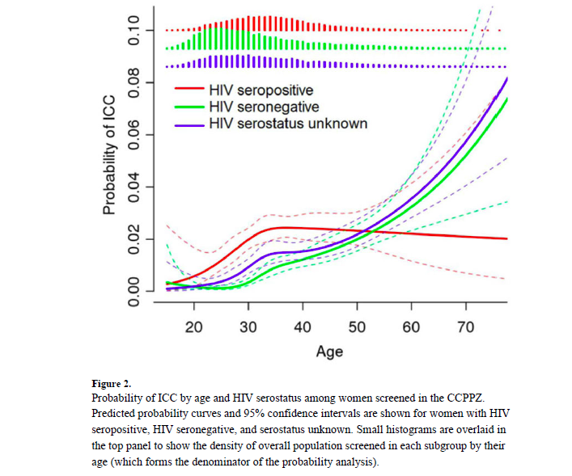
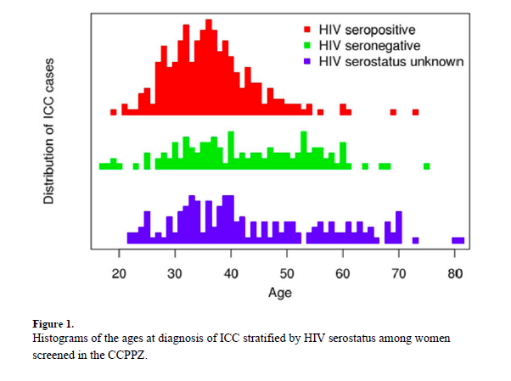
US | Invasive cervical cancer risk among HIV-infected women: a North American multicohort collaboration prospective study. Abraham AG, D'Souza G, Jing Y, Gange SJ, Sterling TR, Silverberg MJ, Saag MS, Rourke SB, Rachlis A, Napravnik S, Moore RD, Klein MB, Kitahata MM, Kirk GD, Hogg RS, Hessol NA, Goedert JJ, Gill MJ, Gebo KA, Eron JJ, Engels EA, Dubrow R, Crane HM, Brooks JT, Bosch RJ, Strickler HD; North American AIDS Cohort Collaboration on Research and Design of IeDEA. J Acquir Immune Defic Syndr. 2013 Apr 1;62(4):405-13. doi: 10.1097/QAI.0b013e31828177d7.

Zambia -- |  | Implementation and Operational Research: Age Distribution and Determinants of Invasive Cervical Cancer in a "Screen-and-Treat" Program Integrated With HIV/AIDS Care in Zambia. Kapambwe S, Sahasrabuddhe VV, Blevins M, Mwanahamuntu MH, Mudenda V, Shepherd BE, Chibwesha CJ, Pfaendler KS, Hicks ML, Vermund SH, Stringer JS, Parham GP. J Acquir Immune Defic Syndr. 2015 Sep 1;70(1):e20-6. doi: 10.1097/QAI.0000000000000685. J Acquir Immune Defic Syndr. 2015 Sep 1;70(1):e20-6. doi: 10.1097/QAI.0000000000000685 Kapambwe S, Sahasrabuddhe VV, Blevins M, Mwanahamuntu MH, Mudenda V, Shepherd BE, Chibwesha CJ, Pfaendler KS, Hicks ML, Vermund SH, Stringer JS, Parham GP. J Acquir Immune Defic Syndr. 2015 Sep 1;70(1):e20-6. doi: 10.1097/QAI.0000000000000685. Implementation and Operational Research: Age Distribution and Determinants of Invasive Cervical Cancer in a "Screen-and-Treat" Program Integrated With HIV/AIDS Care in Zambia. Kapambwe S, Sahasrabuddhe VV, Blevins M, Mwanahamuntu MH, Mudenda V, Shepherd BE, Chibwesha CJ, Pfaendler KS, Hicks ML, Vermund SH, Stringer JS, Parham GP. J Acquir Immune Defic Syndr. 2015 Sep 1;70(1):e20-6. doi: 10.1097/QAI.0000000000000685.

Age specific incidence overall
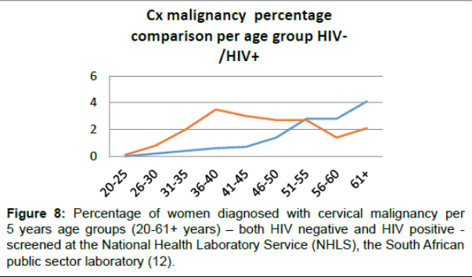
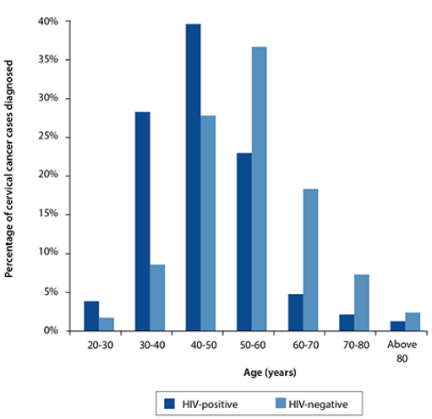
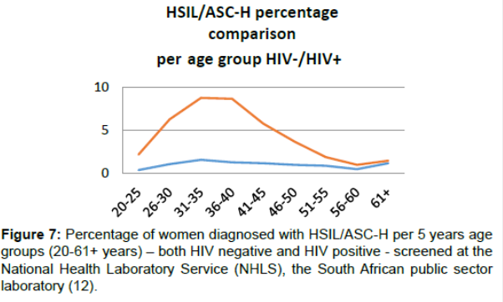
 | Incidence
 |  | Total | 0-14 | 15-39 | 40-44 | 45-49 | 50-54 | 55-59 | 60-64 | 65-69 | 70-74 | 75+ | Crude | ASR(W) | Cum. [0-74] | ICD-10

Botswana | Cervix uteri | 250 | - | 16.3 | 55.4 | 60.5 | 63.4 | 69.2 | 78.5 | 95.6 | 118.9 | 150.1 | 24.6 | 30.3 | 3.1 | C53
Kenya | Cervix uteri | 4802 | 0 | 11.3 | 63.5 | 84 | 104.5 | 131.3 | 151.8 | 158 | 152.4 | 134.6 | 22.4 | 40.1 | 4.4 | C53
South Africa | Cervix uteri | 7735 | 0 | 21.9 | 63.4 | 68.3 | 70.7 | 73 | 77.4 | 82.7 | 88.6 | 95.2 | 30.2 | 31.7 | 3.1 | C53
Uganda | Cervix uteri | 3915 | - | 13.9 | 87.3 | 115.5 | 132.6 | 139.1 | 142 | 140.8 | 131.9 | 117 | 22 | 44.4 | 4.7 | C53
Zambia | Cervix uteri | 2330 | - | 31.3 | 110.4 | 127 | 139 | 147.8 | 146.4 | 162.3 | 192.8 | 236.7 | 33.7 | 58 | 5.7 | C53

 |  |  |  | 15-39 | 40-44 | 45-49 | 50-54 | 55-59 | 60-64 | 65-69 | 70-74 | 75+
 |  |  | Botswana | 16.3 | 55.4 | 60.5 | 63.4 | 69.2 | 78.5 | 95.6 | 118.9 | 150.1
 |  |  | Kenya | 11.3 | 63.5 | 84 | 104.5 | 131.3 | 151.8 | 158 | 152.4 | 134.6
 |  |  | South Africa | 21.9 | 63.4 | 68.3 | 70.7 | 73 | 77.4 | 82.7 | 88.6 | 95.2
 |  |  | Uganda | 13.9 | 87.3 | 115.5 | 132.6 | 139.1 | 142 | 140.8 | 131.9 | 117
 |  |  | Zambia | 31.3 | 110.4 | 127 | 139 | 147.8 | 146.4 | 162.3 | 192.8 | 236.7

Incidence per 100,000
 |  |  |  |  |  |  |  |  |  |  |  |  |  |  |  |  |  | Kepambwe
 |  |  |  |  |  |  |  |  |  |  |  |  |  |  |  | Age Group | Overall (HIV and non-HIV) | HIV - Scenatio 1 | HIV - Scenario 2
 |  |  |  |  |  |  |  |  |  |  |  |  |  |  |  | 0-15 | 0 | 0 | 0
 |  |  |  |  |  |  |  |  |  |  |  |  |  |  |  | 15-29 | 10 | 30 | 20
 |  |  |  |  |  |  |  |  |  |  |  |  |  |  |  | 30-35 | 31.3 | 93.9 | 62.6
 |  |  |  |  |  |  |  |  |  |  |  |  |  |  |  | 35-39 | 70.85 | 283.4 | 141.7
 |  |  |  |  |  |  |  |  |  |  |  |  |  |  |  | 40-44 | 110.4 | 331.2 | 220.8
 |  |  |  |  |  |  |  |  |  |  |  |  |  |  |  | 45-49 | 127 | 317.5 | 211.7
 |  |  |  |  |  |  |  |  |  |  |  |  |  |  |  | 50-54 | 139 | 278 | 185.3
 |  |  |  |  |  |  |  |  |  |  |  |  |  |  |  | 55-59 | 147.8 | 147.8 | 147.8
 |  |  |  |  |  |  |  |  |  |  |  |  |  |  |  | 60-64 | 146.4 | 109.8 | 109.8
 |  |  |  |  |  |  |  |  |  |  |  |  |  |  |  | 65-69 | 162.3 | 97.38 | 97.38
 |  |  |  |  |  |  |  |  |  |  |  |  |  |  |  | 70-74 | 192.8 | 77.12 | 77.12
 |  |  |  |  |  |  |  |  |  |  |  |  |  |  |  | 75+ | 236.7 | 47.34 | 47.34

Age specific incidence age
 | Incidence
 |  | Total | 0-14 | 15-39 | 40-44 | 45-49 | 50-54 | 55-59 | 60-64 | 65-69 | 70-74 | 75+ | Crude | ASR(W) | Cum. [0-74] | ICD-10

Botswana | Cervix uteri | 250 | - | 16.3 | 55.4 | 60.5 | 63.4 | 69.2 | 78.5 | 95.6 | 118.9 | 150.1 | 24.6 | 30.3 | 3.1 | C53
Kenya | Cervix uteri | 4802 | 0 | 11.3 | 63.5 | 84 | 104.5 | 131.3 | 151.8 | 158 | 152.4 | 134.6 | 22.4 | 40.1 | 4.4 | C53
South Africa | Cervix uteri | 7735 | 0 | 21.9 | 63.4 | 68.3 | 70.7 | 73 | 77.4 | 82.7 | 88.6 | 95.2 | 30.2 | 31.7 | 3.1 | C53
Uganda | Cervix uteri | 3915 | - | 13.9 | 87.3 | 115.5 | 132.6 | 139.1 | 142 | 140.8 | 131.9 | 117 | 22 | 44.4 | 4.7 | C53
Zambia | Cervix uteri | 2330 | - | 31.3 | 110.4 | 127 | 139 | 147.8 | 146.4 | 162.3 | 192.8 | 236.7 | 33.7 | 58 | 5.7 | C53

 |  |  |  | 15-39 | 40-44 | 45-49 | 50-54 | 55-59 | 60-64 | 65-69 | 70-74 | 75+
 |  |  | Botswana | 16.3 | 55.4 | 60.5 | 63.4 | 69.2 | 78.5 | 95.6 | 118.9 | 150.1
 |  |  | Kenya | 11.3 | 63.5 | 84 | 104.5 | 131.3 | 151.8 | 158 | 152.4 | 134.6
 |  |  | South Africa | 21.9 | 63.4 | 68.3 | 70.7 | 73 | 77.4 | 82.7 | 88.6 | 95.2
 |  |  | Uganda | 13.9 | 87.3 | 115.5 | 132.6 | 139.1 | 142 | 140.8 | 131.9 | 117
 |  |  | Zambia | 31.3 | 110.4 | 127 | 139 | 147.8 | 146.4 | 162.3 | 192.8 | 236.7

Incidence per 100,000
 |  |  |  |  |  |  |  |  |  |  |  |  |  |  |  |  |  | Kepambwe
 |  |  |  |  |  |  |  |  |  |  |  |  |  |  |  | Age Group | Overall (HIV and non-HIV) | HIV - Scenatio 1 | HIV - Scenario 2
 |  |  |  |  |  |  |  |  |  |  |  |  |  |  |  | 0-15 | 0 | 0 | 0
 |  |  |  |  |  |  |  |  |  |  |  |  |  |  |  | 15-29 | 10 | 30 | 20
 |  |  |  |  |  |  |  |  |  |  |  |  |  |  |  | 30-35 | 31.3 | 93.9 | 62.6
 |  |  |  |  |  |  |  |  |  |  |  |  |  |  |  | 35-39 | 70.85 | 283.4 | 141.7
 |  |  |  |  |  |  |  |  |  |  |  |  |  |  |  | 40-44 | 110.4 | 331.2 | 220.8
 |  |  |  |  |  |  |  |  |  |  |  |  |  |  |  | 45-49 | 127 | 317.5 | 211.7
 |  |  |  |  |  |  |  |  |  |  |  |  |  |  |  | 50-54 | 139 | 278 | 185.3
 |  |  |  |  |  |  |  |  |  |  |  |  |  |  |  | 55-59 | 147.8 | 147.8 | 147.8
 |  |  |  |  |  |  |  |  |  |  |  |  |  |  |  | 60-64 | 146.4 | 109.8 | 109.8
 |  |  |  |  |  |  |  |  |  |  |  |  |  |  |  | 65-69 | 162.3 | 97.38 | 97.38
 |  |  |  |  |  |  |  |  |  |  |  |  |  |  |  | 70-74 | 192.8 | 77.12 | 77.12
 |  |  |  |  |  |  |  |  |  |  |  |  |  |  |  | 75+ | 236.7 | 47.34 | 47.34

HIV prevalance women
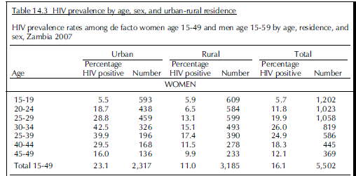
https://data.worldbank.org/indicator/SH.DYN.AIDS.FE.ZS

Women's share of population ages 15+ living with HIV (%
Prevalence of HIV, total (% of population ages 15-49)
2015 estimates |  |  | http://aidsinfo.unaids.org/
 | Overall 15-49 | women's share | women 15-49 (2016)
Botswana | 22.2 | 57 | 26.3 [23.1 - 28.6]
Kenya | 5.9 | 58 | 6.9 [6.0 - 7.8]
South Africa | 19.2 | 60 | 23.8 [20.8 - 26.4]
Uganda | 7.1 | 58 | 7.7 [7.2 - 8.3]
Zambia | 12.9 | 57 | 14.5 [13.7 - 15.2]

Kharsany ABM, Karim QA. HIV Infection and AIDS in Sub-Saharan Africa: Current Status, Challenges and Opportunities. The Open AIDS Journal. 2016;10:34-48. doi:10.2174/1874613601610010034. Kharsany ABM, Karim QA. HIV Infection and AIDS in Sub-Saharan Africa: Current Status, Challenges and Opportunities. The Open AIDS Journal. 2016;10:34-48. doi:10.2174/1874613601610010034.
HIV prevalence (%) among people 15-24 years old, by sex in selected sub-Saharan African countries in 2013. Adapted from [12, 24].
Country | HIV prevalence (%) |  | Fold difference
 | Females | Males
South Africa | 13.1 | 4 | 3.3
Swaziland | 12.4 | 7.1 | 1.7
Lesotho | 10.5 | 5.8 | 1.8 | Please use these HIV prevalence rates for women in the older age groups:
Zimbabwe | 6.6 | 4.1 | 1.6
Mozambique | 6.1 | 2.7 | 2.3 | 50-54 - 10
Botswana | 6 | 3.5 | 1.7 | 55-59 - 6
Zambia | 4.5 | 4.4 | 1 | 60-64 - 4
Uganda | 4.2 | 2.4 | 1.8 | 65-69 - 4
Malawi | 3.8 | 2.4 | 1.6
Kenya | 2.8 | 1.7 | 1.6 | Thanks
Tanzania | 2.2 | 1.4 | 1.6
Central African Republic | 1.5 | 0.9 | 1.7 | Sujha
Congo | 1.2 | 0.7 | 1.7 | From: Subramanian, Sujha
Rwanda | 1.2 | 0.9 | 1.3 | Sent: Thursday, October 26, 2017 3:05 PM
 |  |  |  | To: Jones, Kasey <krjones@rti.org>
 |  |  |  | Subject: RE: Parameters overview October 25 2017.xlsx

 |  |  |  | Kasey:

 |  |  |  | Here is what I found for 2007. Please use last column which is for the overall population of women. Maybe you want to use this for calibration as well since it has more details by age group. Thanks

Cost parameters
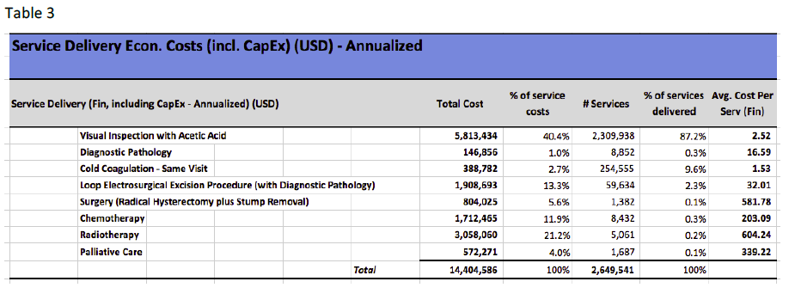

 | Base | Low | High | Source | Gavi price: $4:50-4:60
HPV Vaccine (2 doses) | $15 | $12 | $25 |  | http://apps.who.int/iris/bitstream/10665/251909/1/9789241511544-eng.pdf
VIA | 3 | 2 | 4 | C4P | $2.52
HPV DNA | 18 | 9 | 25 | Zimmerman 2017
Cold Cogulation (same visit) | 2 | - | 11 | C4P
LEEP (with Diagnostic Path) | 32 | - | 48 | C4P | Campos/ACS
Localized Stage treatment | 1186 | - | 1765 |  | Campos/ACS
Regional Stage treatment | 1389 | - | 2494
Distant Stage treatment | 1146 | - | 1689

ART (annual) | $251 |  |  | Tagar 2014 (Clinton Foundation)

Intervention program (annual) | 250 |  |  | Miyano 2017

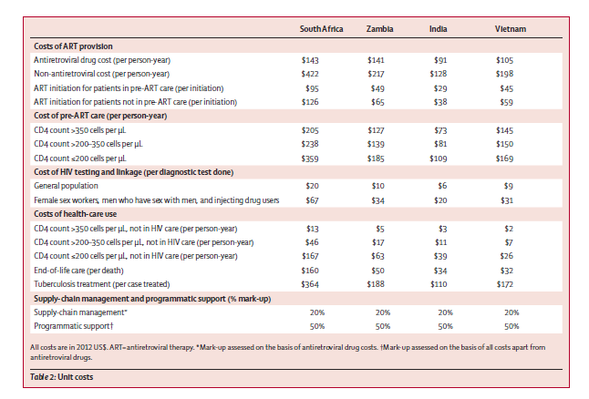
 |  |  |  |  |  | Eaton 2014
Surgery (radical hysterectomy) | 582 |  |  | C4P
Chemotherapy | 203 |  |  | C4P
Radiotherapy | 604 |  |  | C4P
Palliative Care | 339 |  |  | C4P

Test performance
DNA test
sensitivity | specificity | cost
0.90 | 0.57 | 18 | J Low Genit Tract Dis. Author manuscript; available in PMC 2017 July 01.
 |  |  | Chibwesha

0.99 | 0.57
0.69 | 0.57
 |  |  |  | Chibwesha 2017
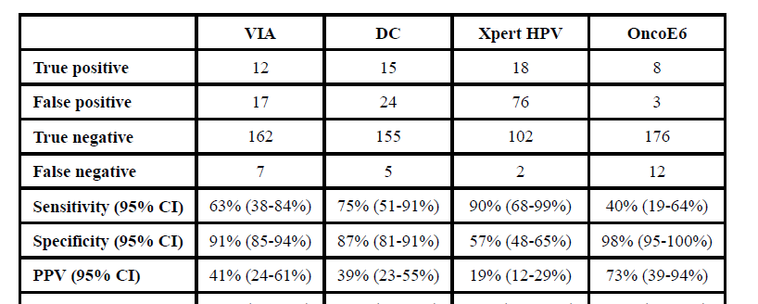

VIA test
sensitivity | specificity | cost
0.73 | 0.75 | 3 | Others, Campos 2018

0.84 | 0.85 |  | Chibwesha
0.63 | 0.75

